Types of Charts
1) Questions and Answers |  | Answer
1. Which one of the following charts generated from a football statistics spreadsheet could compare the performance of the team from year to year? |  | A
A. Bar
B. Histogram
C. Pie
D. Scattergram
2. Which chart will show the direction of change in numbers over a period of time by connecting data points? |  | B
A. Bar
B. Line
C. Pie
D. Scattergram
3. Which chart can track and compare measurements, such as temperature, and show trends and comparisons? |  | B
A. Bar
B. Line
C. Pie
D. Scattergram
4. Which type of chart displays bars side by side? |  | D
A. Bar
B. Line
C. Pie
D. Scattergram
5. Which chart generated from spreadsheet data would campare values that represent parts of a whole? |  | C
A. Bar
B. Line
C. Pie
D. Scattergram
6. The three types of charts generally used to illustrated spreadsheets are: |  | A
A. Bar, line, and scattergram.
B. Line, pie and area.
C. Pie, scattergram, stacked bar.
D. Bar, line, and pie.
7 The best type of chart to compare individual values to each other is: |  | A
A. Bar
B. Line
C. Pie
D. Scattergram
8.Bar charts are MOST effectively used to: |  | B
A. Present scientific data.
B. Compare groups of data.
C. Show parts of a whole.
D. Show activity of an item over a period of time.
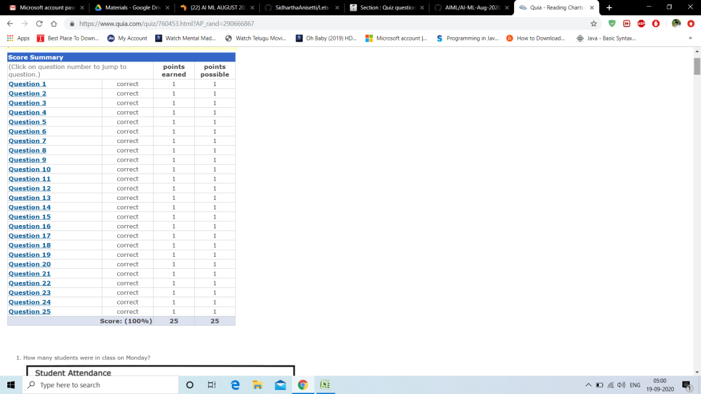
9.The best type of chart to show the relationship of each part to the whole is: |  | C
A. Bar
B. Line
C. Pie
D. Scattergram
10.The chart that uses connecting dots to show changes over a period of time is called: |  | B
A. Bar
B. Line
C. Pie
D. Scattergram

2) Attempt this online Quiz
https://www.quia.com/quiz/760453.html?AP_rand=1065922549 |  | 25/25

3) Interpret charts using this quiz | Level A
http://downloads.bbc.co.uk/skillswise/maths/ma37grap/quiz/ma37grap-l1-quiz.pdf | 1 | C
 | 2 | B
 | 3 | A
 | 4 | A
 | 5 | A
 | 6 | C
 | 7 | A
 | 8 | A
 | 9 | B
 | 10 | B
 | Level B
 | 1 | D
 | 2 | A
 | 3 | B
 | 4 | C
 | 5 | A
 | 6 | C
 | 7 | D
 | 8 | A
 | 9 | C
 | 10 | B
 | Level C
 | 1 | B
 | 2 | C
 | 3 | A
 | 4 | D
 | 5 | A
 | 6 | B
 | 7 | A
 | 8 | A
 | 9 | C
 | 10 | C

 | My Answers

